Sheet1
VON HAUS & VON SHEF | 110 Volt Stock

Image | Description / Name | Qty | RRP Price | Total @ RRP
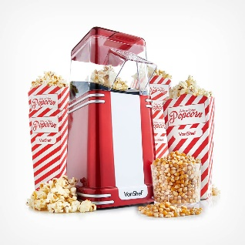 | Retro Popcorn Maker | 1258 | £29.99 | £37,727.42
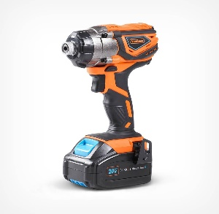 | VonHaus US 20V MAX Impact Drill + 2.0Ah Battery | 88 | £69.99 | £6,159.12
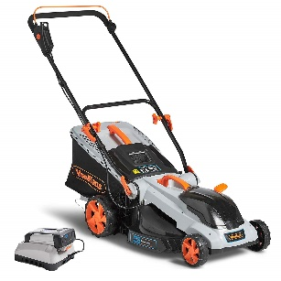 | 40V MAX Cordless Lawnmower | 73 | £199.99 | £14,599.27
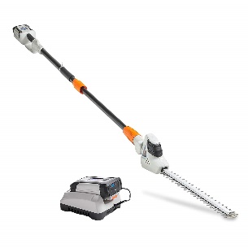 | 40V MAX Cordless Hedge Trimmer | 68 | £109.99 | £7,479.32
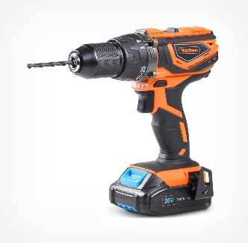 | VonHaus US 20V MAX Impact Drill | 63 | £79.99 | £5,039.37
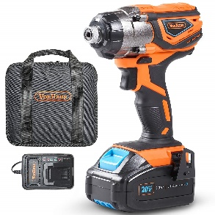 | VonHaus US 20V MAX Impact Driver + 3.0Ah Battery | 62 | £79.99 | £4,959.38
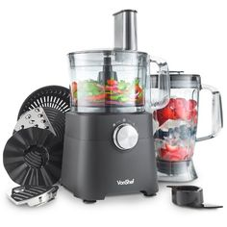 | VON SHEF 500 WATT FOOD PROCESSOR MATTE BLACK | 46 | £54.99 | £2,529.54
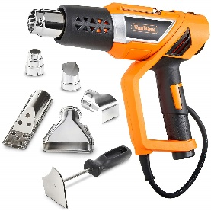 | VON HAUS 1500W Heat Gun | 46 | £19.99 | £919.54
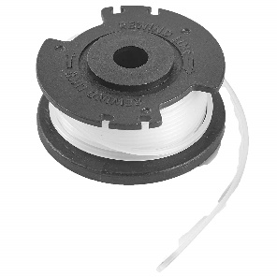 | 40V Max String Trimmer Replacement Line Spool | 40 | £6.99 | £279.60
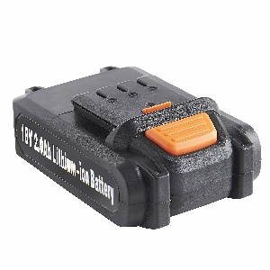 | Spare Battery 18V Li-ion Cordless Nailer/Stapler | 25 | £28.99 | £724.75
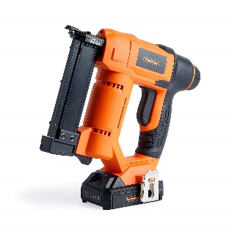 | 18V LI-ION Cordless 23 Gauge Pin Nailer | 24 | £84.99 | £2,039.76
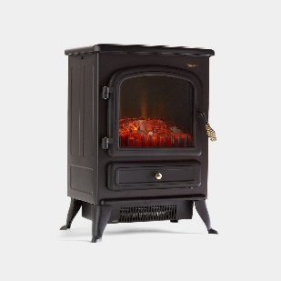 | 1850W Black Stove Heater | 4 | £64.99 | £259.96
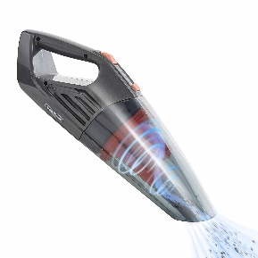 | 14.8V Handheld Wet & Dry Vacuum | 2 | £27.99 | £55.98
 |  |  | TOTAL | £82,773.01

